Metadata
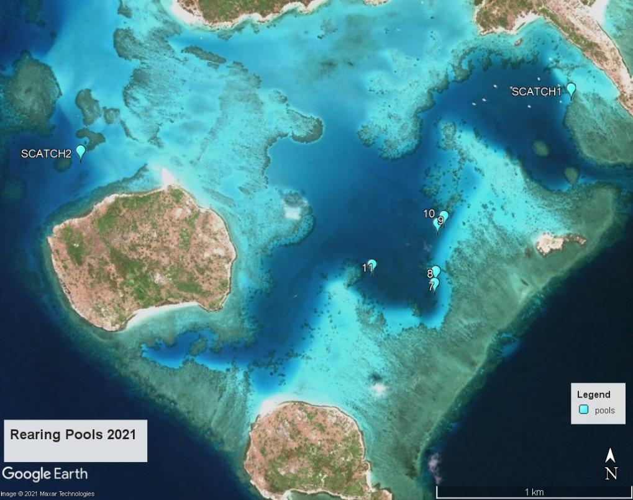
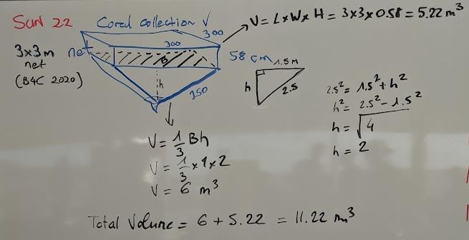
Pool_ID | Pool_type | Pool_Volume_m3 | Pool_location | lat | long | water monitoring data
7 | 3x3 | 11.22 | South lagoon | S14.69380 | E145.46037 | Horiba sampling during larvae sampling
8 | 3x3 | 11.22 | South lagoon | S14.69.435 | E145.46031 | Horiba sampling during larvae sampling
9 | 3x3 | 11.22 | South lagoon | S14.69158 | E145.46047 | ongoing water quality monitoring by QUT
10 | 3x3 | 11.22 | South lagoon | S14.69125 | E145.46077 | ongoing water quality monitoring by QUT
11 | 3x3 | 11.22 | South lagoon | S14.69350 | E145.4733 | Horiba sampling during larvae sampling
SpawnCatcher_1 | Vcatcher | 35* | Palfrey | S14.68778 | E145.44308 | Horiba sampling during larvae sampling
SpawnCatcher_2 | Vcatcher | 35* | SE channel |  |  | Horiba sampling during larvae sampling

*need to measure the net of V catcher to confirm this volume

